INTRO Modeling
Strategic Financial Analysis & Modeling |  |  |  |  |  |  | © All rights reserved, 2019, Marianne Wolk & Richard Horwitz
Section: Modeling & Forecasting
Workbook 7: Developing a Model
Sheet: INTRO Modeling

SHEET ROADMAP
The tutorial through Row 377 is a tutorial that will not contribute to your grade.
The Homework starting in Row 379 is Required.

Financial Modeling
Financial Modeling utilizes the results of Data Analyses and Financial Statement Analysis to provide an analytic infrastructure to support Forecasting, Valuation and Risk Management.
In this Workbook, we speak generically about developing a model.
In the following Workbooks, we utilize models to create financial forecasts and introduce our proprietary 'Strategic Financial Analysis Model' (SFAM).

 | EXHIBIT: MODELING IS A CRITICAL FIRST STEP TO FORECASTING
Strategy
 | Source: Marianne Wolk & Richard Horwitz

What is a model?
Broadly, models create a representation of an idea, process or system to explain a real world phenomena.
A model is a mathematical description of a real world situation.
You develop a financial model by writing a 'program' (in this case in Excel) that re-creates accounting relationships and replicates business relationships.
Models replicate the performance or behavior of a related entity or process.
By necessity, models often provide a simplified or abstracted view.

Relying on a set of assumptions, analysts design financial models to represent a behavior or process.
A financial model is generally developed to replicate historic relationships that describe a 'financial entity', i.e., a market, business, asset or project.
However, there are instances in which a financial model must be developed in the absence of historic data.
In this case the analyst looks for the closest analog as the basis of modeling behavior.
For example, the analyst might look at both the traditional payments industry (e.g., First Data, MasterCard, Visa) and the cellphone industry (e.g., Apple, AT&T, Samsung, Verizon)
to help model the emerging mobile payments industry (e.g., Apple Pay, Google Wallet, PayPal, Square).
The financial analyst makes numerous 'Modeling Assumptions'.
(1) Financial analysts must make assumptions to identify where relationships exist and determine causality.
(2) Analysts must often contend with incomplete, unavailable or unmeasured data and make assumptions in the face of these modeling challenges.
Examples of modeling assumptions:
Causality: when modeling inventories the analyst must decide whether they are driven by Revenues, Cost of Revenues or some other factor.
Data is Incomplete: companies may disclose facts in a conference call or Form 8-K where similar information is unavailable for prior periods.
Data is Unavailable: a financial analyst's job is to size the market for eBooks and neither Amazon or Barnes & Noble disclose those figures.
Data is Unmeasured: an analyst is tasked to find out the market size for an innovative new product that does not yet exist, such as wearable fitness tracking
bands (FitBit, Microsoft Band) or extreme action cameras like the GoPro.

 | EXHIBIT: GENERIC STEPS IN MODEL DEVELOPMENT
 | Collect | identify the variables that satisfy the model's objective
 | and | investigate and collect the data available, noting all sources
 | Analyze | corroborate and validate the data to the extent possible
 | Data | identify incomplete, unavailable or unmeasured data
 |  | be cognizant of potential conflicts when using multiple sources

 | Create | formulate assumptions explaining causal relationships (i.e., If this, then that)
 | the | re-create known identities based on these relationships, testing your assumptions to see how well they
 | Model | explain the how the business works under varying conditions/environments
 |  | communicate all assumptions in a clear and structured way (document, document, document)
 |  | design logic of the model
 |  | program the model

 | Test | develop test data
 | the | conduct sensitivity analysis, statistical analysis and logical analysis to validate model assumptions
 | Model | debug and/or adjust the model
 |  | retest and validate the model
 | Source: Marianne Wolk & Richard Horwitz

A financial model of a company must re-create accounting relationships.
Financial models almost always synthesize the results into financial metrics (e.g., Revenues, Profits, Free Cash Flows).
A well structured model clearly depicts the relationship between accounts.

In the case of financial data, accounting relationships are a function of the double-entry accounting system.
Under double-entry accounting, an entry into an account is matched with a corresponding entry into a related account.
The accounting for every business transaction creates two equal and corresponding entries, a debit and a credit.

The double-entry system can impact a single financial statement or two different financial statements.
This is often the result of the end of period closing process.
Examples include:
Trade one asset for another, Accounts Receivable (credit) for Cash (debit), both on the Balance Sheet
Record Depreciation Expense on the Income Statement (debit) and Accumulated Depreciation on the Balance Sheet (crediting the contra account for Fixed Assets)

A model of a company's financial statements must re-create the accounting relationships: (a) among financial accounts and (b) between financial statements.
The figures and calculations modeled in the Income Statement must make sense relative to the figures and calculations in the
Balance Sheet and Cash Flow Statement.

An example is Income Statement Net Income closed to Balance Sheet Equity at the close of an accounting period.
Large companies can have thousands of Income Statement accounts which record transactions at the product, business unit,
division, company and corporate holding levels.
At the end of the accounting period, Income Statement 'temporary accounts' are 'closed' and their net balances are journaled to the Equity account on the Balance Sheet.

 | Equity Current Period = Equity Prior Period + Net Income - Dividends Declared + Equity Issued (Repurchased)

Net Income from the Income Statement is the major driver of Cash Flow from Operating Activities on the Cash Flow Statement.
As the Income Statement and Balance Sheet both utilize Accrual accounting under GAAP, the Cash Flow Statement functions to reconcile these statements.

Finally, a company financial model adheres to GAAP accounting standards.
Thus, the presentation of financial results by individual financial analysts will always be somewhat similar.
The underlying concept of GAAP accounting is to have a set of standards that are broadly understood and comparable.
Though GAAP is standard, it does permit wide variances by industry.
We have excluded Financial companies from our universe because their financial reporting is extremely different.

A financial model should also replicate business relationships.
A financial model generally includes a replication of a real world business or process.
This replication is generally extremely case specific.
In other words, the nature of the business will affect the way accounts are modeled.
The commercial behavior of a business results in relationships between accounts that must be replicated in the financial model.
Business conditions will mean the relationship varies over time for a single company and among multiple companies in the same industry.
Business conditions are affected by: company-specific factors (e.g., operating strategy), industry-specific factors (e.g., competition, regulation), and/or
market-specific factors (e.g., economic conditions).

When modeling business relationships, one or more accounts may drive the value of other accounts, i.e., the assumptions about causality discussed earlier.
If modeling strictly based on accounting relationships, the dollar impact on one account is exactly equal to the dollar impact of the related account.
The change in one account is exactly equal to the change in another account linked by an accounting relationship.
Financial analysts merely recreate accounting relationships but must make assumptions in modeling business relationships.
Modeling assumptions determine which factor will change an account and by how much.
Using a mathematical framework, the 'independent variable(s)' is the input and the 'dependent variable' the output of a function.
Thus, analysts make assumptions about the business drivers (independent variables) that influence an account's value (dependent variable).
Business drivers, the independent variables, may include:
(1) a volume driver which is also a measure that reflects the level of business activity, usually Revenues or Cost of Revenues
(2) a sensitivity driver measuring how much weight the analyst believes should be placed on this factor or driver
this may reflect the analyst's view of the company's efficiency, i.e., how well the company is performing a function

These assumptions about what drives the business and by how much are the underlying components of building a financial model and casting a forecast.

For example, Accounts Receivable generally increases and decreases as Revenues grow or decline (i.e., the volume driver).
As a reminder from 'ACCOUNTS Balance Sheet' Sheet (Workbook 5), Accounts Receivable are credit sales that have not yet been collected as cash from customers.
It is an accrual account representing the outstanding balances due the company from recognized sales.
Based on its accounting relationship, Accounts Receivable would be modeled equivalently with the change in Revenues.
However, examining Accounts Receivable's historic relationship to Revenues we find an inexact relationship (not one-to-one).
The days outstanding of Accounts Receivable could increase even if Revenues do not grow.
In the prior parlance, the financial analyst must model Accounts Receivable as a product of
- Independent Volume Driver: Revenues
- Independent Sensitivity Driver: Days Sales Outstanding (DSO), or the ratio of Accounts Receivable/Revenues

There are numerous business relationships embedded in every financial model.
Property, Plant and Equipment (PP&E) is an account which might not respond proportionately to volume:
- the company might currently have underutilized capacity
- plants are built in increments so even when additional capacity is required it will not be simple added pro rata
Selling, General & Administrative (SG&A)
SG&A may demonstrate 'economies of scale', especially in the early stages of a company.
SG&A could rise based on a company's operating strategy to invest in growth, ramping investments in its marketing budget to acquire customers and drive greater revenues downstream.

The model communicates decision logic and facilitates sensitivity analysis to support robust decision-making.
The objective of analyses is to support decision-making.
Financial analysis, and financial modeling, is performed to support investment and/or operational decisions.
The model provides the underlying data, the decision-making logic and the analytical results.
The model enables sensitivity analysis so that users can test its assumptions, evaluate strategic alternatives and make well-informed decisions.
Analysts develop 'hypothesized scenarios' and apply the model to analyze the financial results of each scenario.
For models developed based on underlying units (number of units sold, number of plants constructed, number of customers acquired) this is generally done by multiplying units by either unit costs and/or prices.
For models in which there is no clear underlying unit that can be measured, financials are generally modeled by applying growth rates and percent (e.g., profit margins, CapEx as percent of Revenues).
The granularity and structure of the model provides the basis for discourse.
Users can discuss and debate the data, assumptions, and logic at a detailed level rather than simply disagreeing on the summary conclusions.
The quantitative communication will be presented along with a qualitative communication of the decision logic.
Analysts typically provide a qualitative communication of the decision logic to strengthen decision-making in addition to the quantitative elements of the model.
A sound model provides quantitative support for a decision and a qualitative communication of the decision logic.
In the parlance of the equity analyst community, this is often call the 'investment thesis'.
Equity analyst reports almost always include both an investment thesis and a financial model that supports and communicates the conclusions.
The quantification in the model should sync with and support the qualitative expression of the understanding of the decision and the consequent conclusions.

Developing a Financial Model
Structuring a Financial Model
There are three core components of a financial model:

 | EXHIBIT: THE COMPONENTS OF A MODEL MAY BE INTEGRATED OR SEPARATED
 | Core Component |  | Component |  | Example
 | Data / History |  | Historical financial data |  | Revenues, Expenses
 |  |  | Historical operating data |  | Miles per year driven
 |  |  | 3rd party projections |  | GNP Projections
 | Drivers / Logic |  | Decision-making parameters |  | Margins
 |  |  | Business drivers |  | DSOs
 |  |  | Calculations |  | Formula to measure price elasticity
 | Results / Forecast |  | Forecasts |  | 5 Year forecast Net Margin = 30%
 |  |  | Attributions |  | Cost accounting description of variances
 | Source: Marianne Wolk & Richard Horwitz

There is no single way to build a model.
Models may be integrated such as the SFAM financial model used in this course.
The model below integrates the data (e.g., Revenues of 100), the logic (e.g., calculation of Growth, calculation of Gross Profit) and the forecast/results (e.g., Gross Profits of 26).

 | EXHIBIT: INTEGRATED MODEL
 |  | 2021A | 2022A | 2023E
 | Revenues | 100 | 105 | 110
 | Growth |  | 5% | 5%
 | Gross Profit | 25 | 25 | 26
 | Gross Margin | 25% | 24% | 24%
 | Source: Marianne Wolk & Richard Horwitz

Alternatively, models may separate the data/history from the drivers/logic and the results/forecast.

 | EXHIBIT: MODULAR MODEL
 | Data / History |  |  |  | Drivers / Logic |  |  |  |  | Results / Forecast
 |  | 2021A | 2022A | + |  | 2021A | 2022A | 2023E | => |  | 2023E
 | Revenues | 100 | 105 |  | Growth |  | 5% | 5% |  | Revenues | 110
 | Gross Profit | 25 | 25 |  | Gross Margin | 25% | 24% | 24% |  | Gross Profit | 26
 | Source: Marianne Wolk & Richard Horwitz

There are many cases in which the Drivers/Logic are not a single factor with a linear relationship in which integrating it into the model is not as simple.
Consider the 'Economies of Scale in Plant Construction' EXHIBIT in Row 78 in the 'MODEL Manufacturing Strategy' Sheet.
Consider the analysis throughout the 'MODEL Product Introduction' Sheet.
The only requirement in structuring a model is that you develop a disciplined process that can be logically followed by others.

There are many steps to developing a financial model.
(1) The first step is to replicate a real world business.
A financial model should replicate all accounting relationships; for example, Revenues will be driven by industry sales and market share and Cost of Revenues being directly driven by volumes and prices.
The model will also replicate the business relationships such as subscriptions being driven by cost per acquisition and churn or variances based on standards and actuals.
This replication of business relationships can include strategic relationships such as economies of scale, price elasticity, channel strategy, or competitive cost position.
This is often done based on specific data including units, prices, costs, products, market shares, capacities, distribution channels, geographies, cost per acquisition, churn, etc.

(2) The second step is to translate business fundamentals into a financial model.
While this may be a model of the three major financial statements it may also be a model of a key account.
For example, an Amazon analyst may wish to model Amazon's Book business and even try to model its eBook business separately.
The analyst would model Amazon's eBook business by examining the size of the worldwide book consumption relative to the population, which, sadly, is in decline;
the rising percentage of the market that is comprised by eBooks; eBook pricing trends which have risen slightly; and finally Amazon's market share which continues to grow.
However, there are many cases in which companies have a diverse product line about which you cannot obtain specificity.
In that case the best you can do is forecast Revenues and Margins, as we have done on the next Sheet 'MODEL Simple Company'.
As we discussed in the Workbook on Cash Flow Statements, most decision making is based on cash flows and not profits, so the calculation of cash generated is critical to most financial analyses.
In our Amazon eBook example, the financial analyst would create a model that also reflected EBITDA margins (or EBIT margins) over time and model
Cash Flow from Operations as a percentage of EBITDA.

(3) The third step is to verify that the model works.
In this step the developer must 'debug' or 'validate' the model.
Validation is a term that is used when programming complex models such as derivative valuation models.
Debugging is a term that is used in systems development.
Excel is a form of computer coding, albeit a user friendly solution.
Much like software programs, financial models similarly need to be debugged or validated.
This requires developing test data or conditions to verify the logic or modeling drivers.
It is common in systems development to have third-parties independently test the models.
This is much less common in financial models, generally because they are less complex, although it is not unknown with complex models being used for decisions with large dollar impacts.
However, complex derivative models, actuarial and other complex statistical models are typically verified especially when they are nonlinear or the figures are regulated.

No two analysts will build a model the same way and there is no 'perfect' model.
There may be simple differences based on the drivers chosen, i.e., modeling unit-based market share or revenue-based market share or PP&E driven by Capital Expenditures on the Cash Flow Statement versus a percentage of Revenues.
There may be differences based on the approach to calculating specific drivers, i.e., calculating DSOs based on current period Revenues and Accounts Receivable or by using average Accounts Receivable (averaging the current and prior period's figures).

Strategic Modeling

Financial analysts build models to analyze an industry or a company as a whole, or they may choose to construct a model of individual business segments, individual product lines,
specific operations or certain business processes.
The decision to construct a model is always driven by a strategic rationale.
The goal is to gain a deeper understanding of the relationships between factors driving the underlying business, product or process.
This understanding guides business decisions.
Often the model is used to support a financial investment decision, e.g., valuation.
- Buying/Selling a Stock
- Acquiring a Company
At other times, financial models are created to support operating decisions, e.g., (e)valuation.
- Marketing Strategy (distribution channel, pricing)
- Constructing a Plant
- Launching a Product
- Increasing/Decreasing Staffing
In the case of an Industry Model, this is used to compare the company with its industry as a whole and to compare the company to its competitors according to specific factors.
We delve deeply into Industry Forecasting in a later Workbook.
Finally, in all financial decisions it is desirable and common to perform an analysis of risks.
Models often include functionality to support risk analytics.
This often includes 'sensitivity analyses'.

 | EXHIBIT: EXAMPLES OF MODELS USED TO ANALYZE BUSINESSES
 | Model |  |  | Components |  |  |  | Strategic Goal
 | Industry Model |  |  | Size (Units, Revenues, Gross Profits, EBITDA, etc.) |  |  |  | Used to understand market demand,
 |  |  |  | and/or Growth by Player |  |  |  | competitive positioning and share

 | Customer Acquisition Cost (CAC) Model |  |  | Subscribers, Retention and Churn Rates, Marketing Expense |  |  |  | Analyze and understand subscriber economics
 |  |  |  | per New Subscriber (e.g. Customer Acquisition Cost),
 |  |  |  | Customer Lifetime Value (LTV)

 | Revenue Model |  |  | Unit Sales, Average Selling Prices (ASPs), Revenues |  |  |  | Predict revenue and growth drivers

 | Product Model |  |  | Size (Units, Revenues, Gross Profits, EBITDA, etc.) |  |  |  | Make asset allocation decisions between products
 |  |  |  | and/or Growth by Product Line

 | Distribution or Channel Analysis Model |  |  | Size (Units, Revenues, Gross Profits, EBITDA, etc.) |  |  |  | Analyze economics of competitive distribution
 |  |  |  | and/or Growth by Channel |  |  |  | channels recognizing pricing, expenses, etc.

 | Capacity Utilization Model |  |  | Production Units, Inventory, Production Capacity |  |  |  | Analyze when to add production capacity

 | Decision Support Models |  |  | Capacity, Units, Unit Cost, etc. |  |  |  | Analyze the pros and cons of new investments
 |  |  |  |  |  |  |  | such as a plant, warehouse, software, etc.

 | Attribution Models |  |  | Standard costs, volumes, consumer behaviors |  |  |  | Attributes variances to causal factors; CPAs
 |  |  |  |  |  |  |  | evaluate cost drivers while marketers evaluate
 |  |  |  |  |  |  |  | which advertisement drove the desired
 |  |  |  |  |  |  |  | action (e.g., click-through, loyalty program,
 |  |  |  |  |  |  |  | subscription, purchase)

 | Company-level Financial Reporting Models |  |  | Income Statement, Balance Sheet, Cash Flow Statement |  |  |  | Created to report financial results in a
 |  |  |  |  |  |  |  | comprehensible format

 | Financial Planning & Analysis Models (FP&A) |  |  | Budget, actual, variances, revised budget, by account |  |  |  | Gauge performance relative to expectations;
 |  |  |  |  |  |  |  | reset budgets or take actions to reduce
 |  |  |  |  |  |  |  | variances (e.g., change pricing, cut costs)

 | Forecasting Models |  |  | Units, Revenues, Staffing, EBITDA, Net Income, etc. |  |  |  | Analyze hypothesized scenarios

 | Business Models |  |  | All of the above |  |  |  | Describes strategies to generate revenues
 |  |  |  |  |  |  |  | and profits (see below)
 | Source: Marianne Wolk & Richard Horwitz

What is a Business Model?

There are multiple definitions of Business Model.
Generically, a business model describes how a company generates its revenues and profits.
However, the term is actually used interchangeably to mean several different things.

Business Model = Company Financial Model
In this instance, the Financial Analyst is presenting a financial model and generally includes a simple Income Statement, at a minimum , most likely using Excel.
The Financial Analyst may also include a Balance Sheet and Cash Flow Statement or several other financial models (listed above).

Business Model = Brief Description of Business Strategy and How Revenue and Profits are Generated
It is quite common for the Financial Analyst (or a potential investor or creditor) to ask a company's founders and/or it's management team to describe the business model.
In a few sentences (or even a word) this is a description of the way the company generates revenues and profits and it's the strategy to succeed, grow, gain share and drive profits.
This may include a discussion of product features and differentiation, pricing, distribution, customers, production, supply, etc.
Typically the description is focused on the items that differentiate the company most.
Example: Dollar Shave Club is a subscription business for razors and other grooming products marketed direct-to-consumer.
Example: Zynga offers free-to-play social video games such as FarmVille which generate revenues from the sales of in-game virtual goods and advertising to its players.
Example: Freemium
While every company generates revenue and earns profits, the way they do so varies dramatically among companies depending on its industry and strategy.

 | EXHIBIT: EXAMPLES OF BUSINESS MODEL CATEGORIES
 | 'Business Model' |  |  | Example
 | Product/Service |  |  | Ford, FedEx, P&G
 | Reseller |  |  | Amazon, Expedia, Walmart
 | Tiered model (premium vs. basic) |  |  | HBO, Verizon
 | Subscription-based |  |  | Netflix, Spotify
 | Ad-Based |  |  | Pandora, Facebook, YouTube
 | Broker |  |  | Century 21, Google, Schwab
 | Freemium |  |  | Zynga
 | Direct-to-Consumer |  |  | Casper, Dell Computer
 | Shared Platforms & Marketplaces |  |  | AirBnB, Uber
 | Pay as You Go, ?-as-a-Service |  |  | Software.com, Amazon Web Services
 | Leasing |  |  | Deere, Hertz
 | Referral |  |  | Trip Advisor
 | Source: Marianne Wolk & Richard Horwitz

Business Model = Business Plan, a Detailed Package including Text and Financial Models explaining the Business Strategy and How Revenue and Profits are Generated
This generally includes all of the elements required to enable investors and others to forecast future financial performance.
In addition to the description of the company's value proposition, it provides financial model(s) that translate that conceptual framework into figures (units, revenues, etc.)
This is often the package a company's founder or its management create and submit to third parties to raise capital from new investors or report their progress to current investors.
For a startup, this is a package submitted to family and friends or venture capitalists.
For a larger company, this is the details included in the registration statement circulated to potential investors in the Initial Public Offering (IPO) process.
For larger publicly traded companies, this is the information included in the annual Form 10-K.

 | EXHIBIT: COMPONENTS OF BUSINESS MODELS
 | Component |  | Description
 | Market Analysis |  | the market for the product, its size and growth
 | Product Description |  | product and/or service description and differentiating features
 | Strategy |  | the strategy to penetrate the market and gain share
 | Pricing |  | pricing model and relative positioning to the market
 | Production Strategy/Suppliers |  | direct or outsourced
 | Marketing & Promotion |  | free trials, financing (e.g., Caterpillar), advertising
 | Distribution Strategy |  | go-to-market strategy including direct, salesforce or third-party distribution
 | Customers |  | targets, leading material customers, geographic and/or industry concentration
 | Competitive Analysis |  | differentiating features and the competitive landscape (players and positioning)
 | Management |  | bios of its executives: educational credentials, work experience, achievements, financial commitment to the company
 | Source: Marianne Wolk & Richard Horwitz

Modeling in this Workbook
In this Workbook you will develop a series of models
Each of these will require you to enter a series of formulas.
With the exception of the first model presented in this Workbook, all of the others will have significantly greater specificity than just the financials.
The 'MODEL Simple Company' is presented as an introductory, bare-bones example of a financial model. We have included this model to contrast the richness of the other models.
- It does not include any specificity beyond basic financials.
- It utilizes naïve default logic in which the value of business drivers for the year forecast is exactly the same as that value in the last year of actual data.
- It does not incorporate any strategic considerations.
- It is not designed to support any decisions except simply providing a forecast for the next year.
The remaining modeling assignments require 'Strategic Considerations'.
Strategic considerations can include economies of scale, market share, distribution channel priorities, price elasticity, churn or competitive cost positions.

 | EXHIBIT: STRATEGIC CONSIDERATIONS GUIDE DECISION-MAKING

 | MODEL | Specificity |  |  |  | Strategic Considerations |  | Decisions ==> (E)valuation
 | Simple Company | Financials Only |  |  |  | 'default' naïve |  | Provide a basic forecast of next year's financials |  |  | Required
 | Marketing Strategy | Competitors, distribution channels, units, price, unit cost, financials |  |  |  | Industry structure (oligopoly) & distribution channels |  | Model unavailable historic data to analyze the causes of deteriorating financial situation? |  |  | Required
 | Make-Buy Decision | Investment size, valuation, sensitivity analysis, what-if capabilities, Excel Data Table |  |  |  | Cost structure, capital structure |  | Whether to continue to buy a product for resale or to manufacture it internally? |  |  | Required
 | Manufacturing Strategy | Products, market shares, units, capacity, lost sales, price, unit cost, financials, CapEx, valuation, sensitivity analysis |  |  |  | Economies of scale, market sizing and market shares |  | When and how large a new manufacturing plant should be constructed? |  |  | Challenge
 | Revise Budget & Staffing | Standard cost accounting framework (standard/actual costs, budgeted/actual volumes, volume/usage variances), financials |  |  |  | Decomposition of causes, standards and variances |  | Whether to reduce staffing based on year-to-date budget variances? |  |  | Challenge
 | Product Intro Strategy | Cost per acquisition by month, price elasticity, churn, subscription behavior, promotional offers, seasonal ad rates and financials |  |  |  | Price elasticity, seasonal ad spend, CPA, churn |  | Whether to launch a new product and, if yeas, how should advertising be spent seasonally? |  |  | Challenge
 | Facilities Plan | Facility online/constructed/capacity, call volumes, fixed/variable unit costs, CapEx, financials, valuation, sensitivity analysis |  |  |  | Competitive cost position, scale economies |  | When, where and in what increments should facilities be expanded? |  |  | Challenge
 | Source: Marianne Wolk & Richard Horwitz

Grading does not propagate your errors.
We have created these exercises to be forgiving to avoid an error early in the series propagating and making all of your answers wrong.
We have accomplished this by calculating the values against which you are being graded to be based on your prior calculation.
Therefore, even if the prior calculation is incorrect, subsequent calculations using these incorrect values will be graded as correct.

Required Homework Questions |  |  |  |  |  |  |  |  |  |  |  | TRUE | FALSE

FALSE | When modeling accounting relationships, one or more accounts may drive the value of other accounts.
FALSE | If modeling strictly based on business relationships, the dollar impact on one account is exactly equal to the dollar impact of the related account.
TRUE | A forecast using the ratio 'Days Sales Outstanding' (DSO) is applying a business relationship.
TRUE | Models create a representation of an idea, process or system to explain a real world phenomena.
TRUE | A forecast applies a model to translate a set of hypotheses about the performance of a financial entity and its behavior into numerical predictions.
FALSE | A model of a company's financial statements must exactly replicate historical financial results.

Property, Plant & Equipment Derivation
Calculate the values of the yellow cells below.

 |  |  |  | 2020 | 2021 | 2022
 | Revenues |  |  | 15,004,152 | 15,754,360 | 16,542,078

 | Prior Year PP&E |  |  | 10,000,000 | 10,025,000 | 10,038,210
 | - Depreciation |  |  | 500,000 | 501,250 | 506,910
 | + Capital Expenditures (CapEx) |  |  | 525,000 | 614,460 | 714,682
 | - Write-down or Disposal of PP&E |  |  | - | 100,000 | -
 | = Current Year PP&E |  |  | 10,025,000 | 10,038,210 | 10,245,982

 | Depreciation Percent of Prior PP&E |  |  | 5.0% | 5.0% | 5.0%
 | Current Year Capex Percent of Revenues |  |  | 3.5% | 3.9% | 4.3%
 | Current Year PP&E Percent of Revenues |  |  | 66.8% | 63.7% | 61.9%

Intangible Asset Derivation
Calculate the values of the yellow cells below.

 |  |  |  | 2020 | 2021 | 2022
 | Prior Year Intangible Assets |  |  | 1,010,195 | 910,195 | 690,195
 | - Amortization |  |  | 100,000 | 120,000 | 100,000
 | + Acquisitions of Intangible Assets |  |  | - | - | 10,000
 | + Other Intangible Investments (Impairments) |  |  | - | (100,000) | -
 | = Current Year Intangible Assets |  |  | 910,195 | 690,195 | 600,195

 | Amortization Percent of Prior Intangibles |  |  | 9.9% | 13.2% | 14.5%

Equity Derivation
Calculate the values of the yellow cells below.

 |  |  |  | 2020 | 2021 | 2022
 | Prior Year Common Equity |  |  | 30,009,750 | 32,035,175 | 34,404,133
 | + Net Income Attributable to Common |  |  | 1,921,500 | 2,493,640 | 2,938,103
 | - Common Dividends (Declared) |  |  | 96,075 | 124,682 | 146,905
 | + Issues (Repurchases) of Common Equity |  |  | 200,000 | - | -
 | = Current Year Equity |  |  | 32,035,175 | 34,404,133 | 37,195,331

Linkages
In each of the yellow boxes below select a '+' if the account on the left links to the account across the top or a '-' if it negatively impacts.
Only identify direct relationships. If some account impacts another account and the other account impacts a third account, do not indicate the relationship between the first account and the third account.
Leave boxes for which there is no relationship between the rows and columns blank.

 |  | Common | Cash | PP&E | Intangible
 |  | Equity | Flow |  | Assets
 | Depreciation |  | + | - |  |  |  |  |  |  |  |  |  | +
 | Cash Flow |  |  |  |  |  |  |  |  |  |  |  |  | -
 | Amortization |  | + |  | -
 | CapEx |  | - | +
 | Acquisition of Intangibles |  | - |  | +
 | Net Income | + | +
 | Common Dividends | - | -

Basic Example
In the following example we have hypothesized that all drivers remain constant except that the company aggressively cuts prices to gain market share.
Develop a basic models and apply it to forecast the current year and next year results.
Enter formulas in the yellow cell that complete the model.
The comments to the right of each row will assist you.

 |  |  | 2021 | 2022 | 2023E | 2024E
 | Size of Market in Units |  | 1,000 | 1,106 | 1,223 | 1,224 |  | In the yellow boxes calculate the 'Size of Market in Units'
 | Market Unit Growth Rate |  |  | 11% | 11% | 11% |  | We assumed that market continues to grow at last year's rate
 | Market Share |  | 20% | 20% | 25% | 30% |  | We assumed that the company gains share by aggressively cutting price
 | Units Sold by Company |  | 200 | 221 | 306 | 367 |  | In the yellow boxes calculate the "Units Sold by Company'
 | Company Unit Growth Rate |  |  | 11% | 38% | 20% |  | In the yellow boxes calculate the 'Company Unit Growth Rate'
 | Price Per Unit |  | 100 | 100 | 95 | 90 |  | We assumed that the company gains share by aggressively cutting price
 | Sales in $ |  |  | 22,120 | 29,052 | 33,054 |  | In the yellow boxes calculate the "Sales in $'
 | Cost Per Unit |  | 60 | 60 | 60 | 60 |  | We assumed that the 'Cost Per Unit' remains constant
 | Costs in $ |  |  | 13,272 | 18,349 | 22,036 |  | In the yellow boxes calculate the "Cost in $'
 | Gross Profit |  |  | 8,848 | 10,703 | 11,018 |  | In the yellow boxes calculate the 'Gross Profit'

EXCEL Financial Functions
Strategic Financial Analysis & Modeling |  |  |  |  |  |  | © All rights reserved, 2019, Marianne Wolk & Richard Horwitz
Section: Modeling & Forecasting
Workbook 7: Developing a Model
Sheet: EXCEL Financial Functions

SHEET ROADMAP
The material through Row 73 is a tutorial that will not contribute to your grade.
The Homework starting in Row 75 is Required.
The Homework starting in Row 123 is Challenge.

Calculating Net Present Value (NPV)
Below (Row 22) is a 'Simple Model of Earnings Growth' in which earnings grow at a constant annual growth rate.
This is a business in which earnings tightly parallel cash flows and we are using earnings as a surrogate for cash flows in valuations.
We have initially set the current year Net Income to $100 and the Annual Growth Rate to 10%.
 | Annual Growth Rate |  | 10%
Future earnings are also discounted by a discount rate, reflecting the time value of money.
We have initially set the Discount Rate to 15%.
 | Discount Rate |  | 15%
We use this Discount Rate to calculate the Discount Factor in the analysis below.
Based on the above inputs, following are the Net Incomes, Discount Factors and Present Values over the next 10 years.

Simple Model of Earnings Growth
 | Current - 0 | 1 | 2 | 3 | 4 | 5 | 6 | 7 | 8 | 9 | 10 | Terminal
 | 2023 | 2024 | 2025 | 2026 | 2027 | 2028 | 2029 | 2030 | 2031 | 2032 | 2033 | Value
Net Income | 100 | 110 | 121 | 133 | 146 | 161 | 177 | 195 | 214 | 236 | 259 | 5,706
Discount Factor | 1.00 | 0.87 | 0.76 | 0.66 | 0.57 | 0.50 | 0.43 | 0.38 | 0.33 | 0.28 | 0.25 | 0.25
Present Value | 100 | 96 | 91 | 88 | 84 | 80 | 77 | 73 | 70 | 67 | 64 | 1,410
Contribution | 4.3% | 4.2% | 4.0% | 3.8% | 3.6% | 3.5% | 3.3% | 3.2% | 3.0% | 2.9% | 2.8% | 61.3%

If you remember from your finance course, the discount factor declines by 1 / (1+ Discount Rate) each year reflecting that the further out a cashflow is the less valuable it is.
The Present Value (PV) of any years cashflow is equal to the value of the cashflow multiplied by that year's Discount Factor.
The Present Value of the Terminal Value is calculated using the discount factor of the last year for which the cash flow is calculated (year 10 in this case).
The Contribution is the percent of the sum of the present values represented by the PV of that year's cashflows.
Note the sizable contribution of the Terminal Value to the Total Present Value of Cash Flows.

Calculation of NPV
For this exercise, we are now going to calculate the Net Present Value (NPV) three different ways to demonstrate the logic.
The net present value is the sum of the present value of all cash flows related to an investment.
Going forward, you probably just want to use the Excel NPV function.

The first presentation is using the Excel NPV function
The NPV function calculates the Net Present Value of the future cash flows starting in the next year
So, you will use the expression '=NPV(D18,C25:L25)'.

 | 790

The first parameter of the NPV function is the Discount Rate.
The subsequent parameter(s) of the NPV function is either a range of values to be discounted (i.e.,B20:F20) or a series of values to be discounted (i.e., B20,C20,D20,E20,F20).
Note: Excel treats the first value in the series to be discounted as Year 1 of the time series, which is discounted by (1 + Discount Rate)^1(=year 1).
Note: Excel ignores blanks, rather than treating them as zeroes.
When using the Excel NPV formula, you must add the cash inflows or outflows in the current year (year 0) to the results of the NPV formula, in this case $100 inflow.
You must also add the Terminal Value discounted to the current year '=M25/(1+D18)^10'.

 | $1,410

Therefore, to calculate the total Net Present Value of all cash flows, you will use the expression '=+B25+NPV(D18,C25:L25)+M25/(1+D18)^10'.

 | $2,300

The second presentation demonstrates what the NPV function actually does.
It is similar to the mathematical approach we introduced in the last Sheet, 'INTRO Multiperiod Models'.
Click on the Function in the box immediately below to see the expression '=SUM(B27:M27)'.
 | $2,300
This calculation produces the exact same result as the NPV function does and it is presented so that you can see the logic.

The third presentation is an opportunity to introduce the SUMPRODUCT function.
Click on the box immediately below to see the expression '=SUMPRODUCT(B25:M25,B26:M26)'.
 | $2,300
This calculation is included to briefly introduce the SUMPRODUCT function to students who did not learn about it in the challenge content in the 'EXCEL Complex Functions' Sheet of Cash Flow Statement (Workbook 6).
SUMPRODUCT permits you to multiply the values in a range to those in a similarly shaped other range and to sum the resulting products.
It is doing the same calculation as the second presentation, except the second presentation calculated the product each year and then we separately summed the products.
SUMPRODUCT does not require the interim results to be stored in cells, as we did in the second presentation.
SUMPRODUCT is actually an extremely powerful function that permits you to create complex logic with multiple conditions.

Below is Required Homework

In Equity Valuation (Workbook 11), we will introduce the concept of valuing a stock as the Net Present Value (NPV) of future cash flows (Discunted Cash Flows or DCF).
An Equity Analyst (a Financial Analyst that focuses on valuing stocks) needs to value the stock of a company.
The company has recently gone through a period of financial stress and does not plan to pay a dividend this or next year.
The company has stated its intent of reintroducing a dividend of $2.00 in 2025 and increasing the dividend by 5% every year thereafter.
In the yellow cells below write formulas to calculate the expected dividend in each year.

 |  | 0 (Current) | 1 | 2 | 3 | 4
 |  | 2023 | 2024 | 2025 | 2026 | 2027
 | Dividend/Share | $- | $- | $2.00 | $2.10 | $2.21

The Equity Analyst has selected to apply a 10% discount rate in today's market conditions.
In the yellow cell below write a formular to calculate the terminal value in year 2027.
 | $46.31
What is the present value of the terminal value in the current year?

In the yellow cell below write a formula that calculates the Net Present Value (NPV) of the dividend stream modeled in Row 85.
 | $36.36
Note: Remember that Excel treats the first value in the series to be discounted as Year 1 of the time series, which is discounted by (1 + Discount Rate)^1(=year 1).

Circular References
Circular references occur is when the formula in one cell is either directly or indirectly dependent on another cell that is dependent on the original cell.
For example, the following two formulas would create a circular reference because the two cells are dependent on each other and Excel cannot 'resolve' the formulas.
 | = B100
 | = B99
This is an example of a direct dependency.
Excel would generate the following error message.
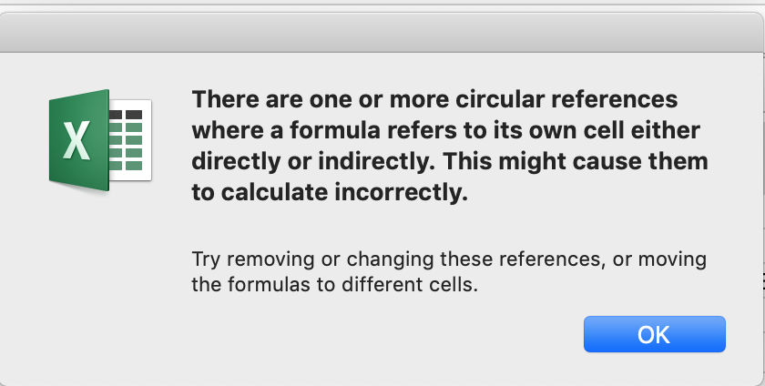

An example of an indirect interdependence would be:
 | = B117
 | = B118
 | = B116
In this case the interdependency is not direct but rather through a third cell.
Excel cannot complete the calculation when there is a circular reference.
The Error Checking dropdown accessed via the Formulas selection on the Menu Bar permits users to diagnose the cause of the circular reference.

Below is Challenge Homework

Internal Rate of Return (IRR)
Since there is significant judgement/discretion in what the appropriate discount rate is in calculating the present value an alternative approach is to calculate the 'Internal Rate of Return' (IRR)

A company makes an investment of $500 in the current year that generates a return in the next 10 future years.

 | 2023 | 2024 | 2025 | 2026 | 2027 | 2028 | 2029 | 2030 | 2031 | 2032 | 2033
Cash Flows | -500 | 100 | 110 | 121 | 133 | 146 | 161 | 177 | 195 | 214 | 236

The Internal Rate of Return (IRR) function calculates the discount rate that reduces the cash flow stream to a Net Present Value of zero.
An IRR can only be calculated if at least one of the cash flows is negative and at least one is positive.
Click on the Function in the box immediately below to see the expression '=IRR(B131:L131)'.
 | 24%
Write a formula in the green cell below to calculate the Internal Rate of Return of the following series of cash flows in which the initial investment was $1000 rather than $500 above.

 | 2023 | 2024 | 2025 | 2026 | 2027 | 2028 | 2029 | 2030 | 2031 | 2032 | 2033
Cash Flows | -1000 | 100 | 110 | 121 | 133 | 146 | 161 | 177 | 195 | 214 | 236
IRR | 8%

Data Tables
Any valuation should be surrounded by a sensitivity analysis which quantifies the robustness of the forecast.
This can be done in Excel by using 'Data Tables'.
Data Tables permit you to identify two independent variables and Excel automatically recalculates a result that is dependent on these variables
You can define a range of values for each variable, one with the values presented in rows and the other in columns.
Excel populates the matrix of cells for all combinations of all values of the two independent variables.
We will shortly present examples of such a matrix but first you must simultaneously open the 'DATA TABLES' Sheet.
If you know how to simultaneously view multiple Sheets skip to Row 178.

Simultaneously viewing multiple Sheets
Data Tables in this Workbook are located on the 'DATA TABLES' Sheet because Excel does not permit Data Tables on protected Sheets
Excel permits users to simultaneously view multiple Sheets at the same time.
You are going to simultaneously access this Sheet on the left side of the screen and the 'DATA TABLES' (next Sheet in this Workbook) on the right side.
The data table(s) related to this Sheet start on row 10 of the 'DATA TABLES' Sheet.

On a Mac
1 | If the screen is in full screen mode click on the green circle in the upper left of the screen to it out of full screen mode (see image below of Excel not full screen).
2 | Click on 'Window' in the selection at the top of the screen and a dropdown window will appear.
 | 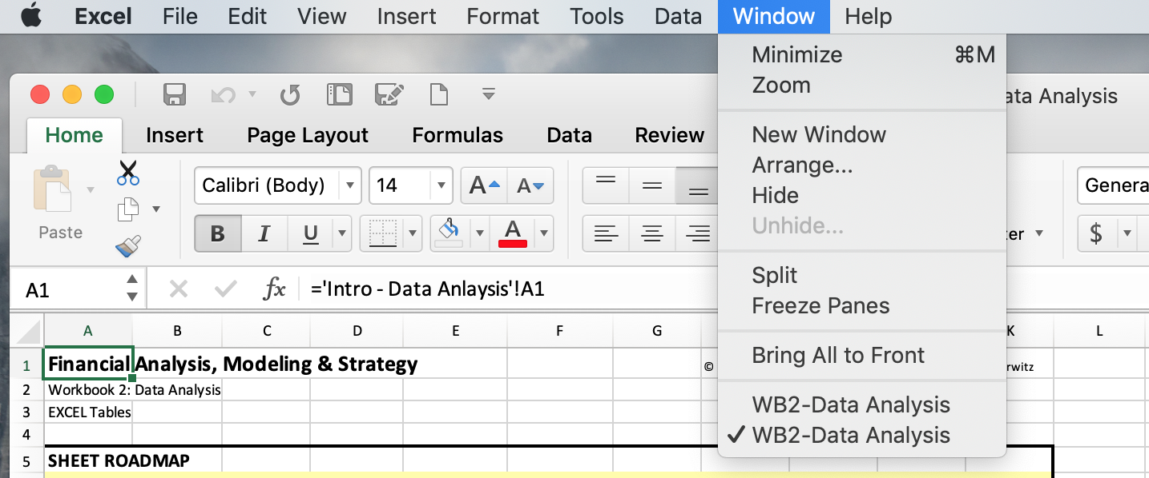
3 | Select the 'New Window' option on the dropdown window to create a new window of the same Workbook.
 | Notice that at the bottom of the 'Window" dropdown menu above that 'WB2-Data Analysis' is shown twice.
4 | Select "Arrange" immediately under the 'New Window' and the "Arrange Windows" dropdown window will appear.
 | 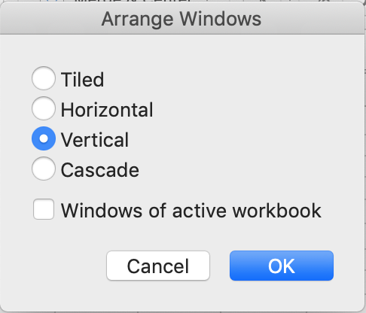
 | You will now see two windows with duplicate copies of the 'EXCEL Tables' Sheet.
5 | On the right side of the screen select the 'DATA Tables' Sheet so that it will appear immediately to the right of the "EXCEL Tables' Sheet.
6 | You are able to select a different Sheet on either side of the screen.

On a Windows Computer
1 | On the View tab, in the Window group, click New Window.

2 | On the View tab, in the Window group, click View Side by Side
 | You will now see two windows with duplicate copies of the 'EXCEL Tables' Sheet. |  |  |  |  |  |  |  |  |  | .
3 | On the right side of the screen select the 'DATA Tables' Sheet so that it will appear immediately to the right of the "EXCEL Tables' Sheet.
4 | You are able to select a different Sheet on either side of the screen.

Using a Data Table
We use the simplest of models to present Data Tables.
You earned $100 last year. You expect your earnings to increase by a constant Growth Rate annually.
The Net Current Value (NPV) of your earnings is calculated by the terminal value formula:

 | Net Present Value of Earnings = $100 (1 + Growth Rate) / (Discount Rate - Growth Rate)

Enter a formula in the green box below that expresses this relationship.
The 'Growth Rate' is in row 12 and the 'Discount Rate' is in row 13 of the 'DATA TABLES' Sheet.
 | 2650 |  |  |  |  |  |  |  |  |  |  |  | 2650
Notice that NPV in this scenario is more than 20 times the annual earnings.

Data Tables require that you set up a template before using it.
We have done that in B16:G21 on the 'DATA TABLES' Sheet.
We have also set the 'Growth Rate' range C16:G16 from 2% to 10%, in increments of 2%.
We have set the 'Discount Rate' range B17:B21 from 6% to 14% also in increments of 2%.
Finally, the upper left cell, B16, must be set equal to the result of the model, C187 on this Sheet.

The above template can now be populated using the Data Table Function, as follows:
1 | Select the full range (shaded in grey) of the Data Table, B16:G21 of the 'DATA TABLE' Sheet.
2 | Select 'Data' tab
3 | Select "What-if Analysis'
4 | Select 'Data Table', which will open a "Data Table' window.
5 | In the 'Row input cell:' box enter or click on cell 'C12' of the 'DATA TABLES' Sheet.
6 | In the 'Column input cell:' box enter or click on cell 'C13' of the 'DATA TABLES' Sheet.
7 | Select "OK"
The Data Table function has created a table of results by automatically varying the row and column inputs.
This provides a 'sensitivity analysis' of the results as you can easily see how sensitive the results are to changes in input parameters.
In the above case, the NPV of your earnings varies from 0 to 0, a huge swing.
Note: The above statement will not be valid until the Data Table is created correctly. You can also ignore it.
The negative NPVs result from the fact that when the Growth Rate is greater than the Discount Rate the NPV is negative.
In the green cell immediately below enter the result for Discount Rate = 8% and Growth Rate = 4%.
 | 0

Goal Seek
Goal Seek permits you to find an input value of a relationship, including a model, that generates a specific result.

 | 2023 | 2024 | 2025 | 2026 | 2027 | 2028 | 2029 | 2030 | 2031 | 2032 | 2033
Cash Flows | -500 | 100 | 110 | 121 | 133 | 146 | 161 | 177 | 195 | 214 | 236
IRR | 24%

For example, suppose you want to determine the largest investment you could make (cell B216) that will result in a 12% IRR.
1 | Select 'Data' tab
2 | Select 'What-if Analysis' icon
3 | Select "Goal Seek...'
4 | In the 'Set Cell:' box enter or click in B217
5 | In the 'To Value:' box enter '12%'
6 | By 'Changing Cell:' box enter or click in B216
7 | Select "OK"
You can see that the value in B217 is 12%
What is the value of the largest investment that you calculated?
 | 500
 | Hint: the value should be the absolute value of what is calculatd by the 'Goal Seek' capability in B216

Scenario Manager
Scenario Manager in Excel allows you to change or substitute input values for multiple cells (maximum up to 32).
Therefore, you can view the results of different input values or different scenarios at the same time.
You can see the impact of changing input values without changing the actual data.
Like Data Table in Excel, you now input values that must change to achieve a specific goal.
We will not present scenario manager in detail, but, will instead leave it to interested students to explore it themselves.

Data Validation
Throughout these Workbooks we use Data Validation to permit students to select among options.
Data Validation is often used when developing a model.
Data Validation is a flexible capability which permits the limiting of entries based on a list or a specific 'Validation criteria'.

Selecting 'Data Validation' on the 'Data' tab above opens a window.
 | 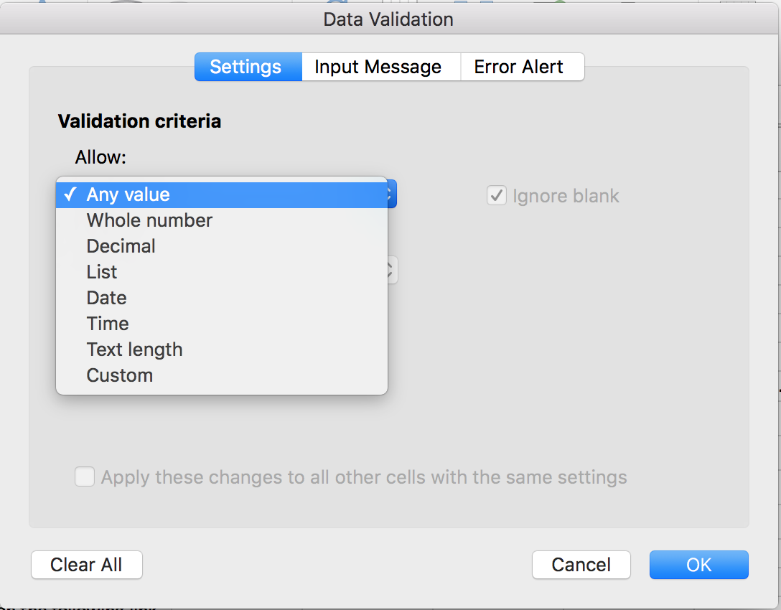
In addition to support editing based on a 'List' of permissible entries (which is what is generally used in these Workbooks) you can select 'Validation criteria' as above.
You can create an 'Input Message' or an 'Error Alert' as options.
Data Validation cannot be added to a protected Sheet, although it can be implemented prior to protecting the Sheet.
Therefore, the Data Validation homework is on the unprotected 'DATA TABLES' Sheet.
Complete the two questions starting in row 23 of the 'DATA TABLES' Sheet.
The 'Data Validation' dropdown menu (image above) should provide adequate logic for you to be able to do so.

